Calculations
Border | Nominal capacity of the interconnectors in MW | Color Key:
Russia-Estonia | 2464 | Source: Second report of the Commission Expert Group on electricity interconnection targets
Russia-Latvia | 696 | Source: https://en.wikipedia.org/wiki/Vyborg_HVDC_scheme
Russia-Finland | 1000 | Source: https://www.globaltransmission.info/archive.php?id=1424
Russia-Lithuania | 2490 | Source: https://en.wikipedia.org/wiki/NorNed
Belarus-Lithuania | 4553 | Source: https://de.wikipedia.org/wiki/Liste_grenz%C3%BCberschreitender_Hochspannungsleitungen#Schweiz-Italien
Ukraine-Poland | 2094 | Source: https://assets.publishing.service.gov.uk/government/uploads/system/uploads/attachment_data/file/1086528/Electricity_interconnectors_in_the_UK_since_2010.pdf
Ukraine-Slovakia | 789
Ukraine-Hungary | 3590 | https://www.globaltransmission.info/archive.php?id=1424
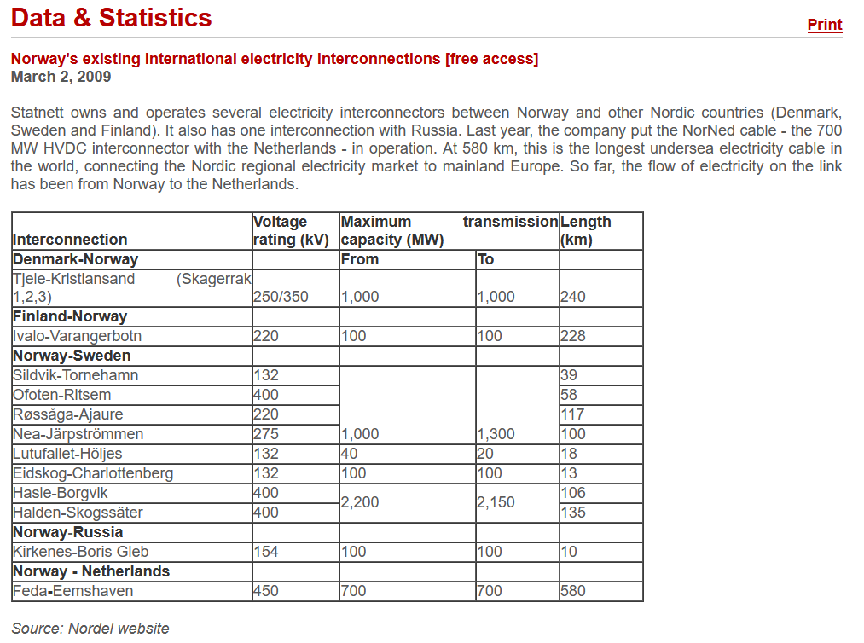
Ukraine-Romania | 5040
Moldava-Romania | Not in operation
Albania-Greece | 533
Bosnia and Herzegovina - Croatia | 5429
North Macedonia - Bulgaria | 950
North Macedonia - Greece | 1632
Serbia - Hungary | 1054
Serbia - Romania | 1132
Serbia-Bulgaria | 1073
Serbia - Croatia | 1423
Turkey - Bulgaria | 2485
Turkey - Greece | 1900
Morocco - Spain | 1359
SUM | 41686

Norway - Finland | 100
Norway - Sweden | 3340
Norway - Denmark | 1000
Norway - Netherlands | 700
SUM | 5140

CH-Italy | 5971
CH-France | 8357
CH-Austria | 3957
CH-Germany | 12293
SUM | 30578

UK - France | 2000
UK - Ireland (North-South) | 540
UK - Netherlands | 1000
UK - Ireland (East-West) | 500
UK - Belgium | 1000
UK - France | 1000
SUM | 6040

SUM without CH borders | 52866

